Riser
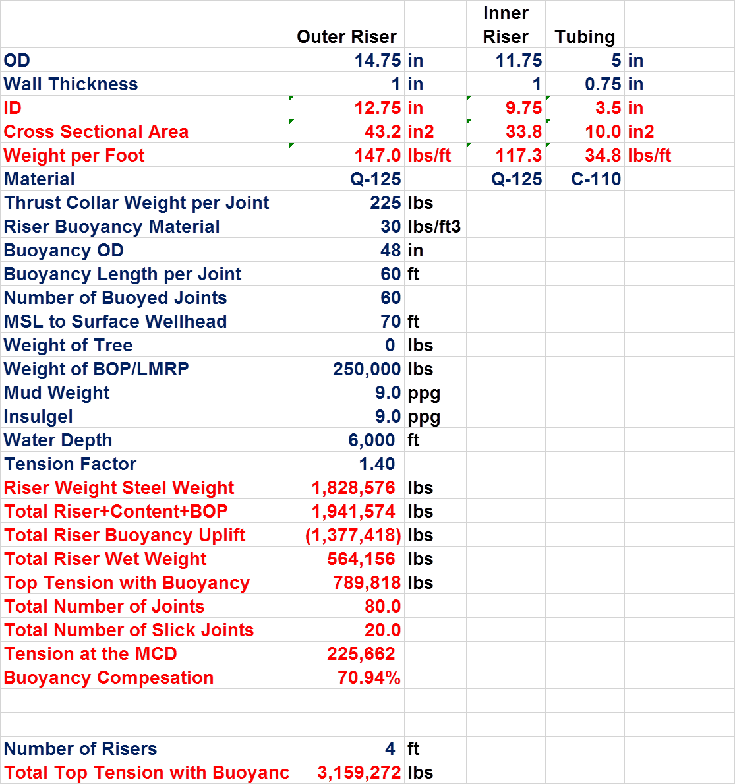
Material Properties
Density | lb/ft^3 | 490 |  |  |  |  |  | Done
 | kg/m^3 | 7786.8840121 |  |  |  |  |  | Done
Material Strength | Ksi | 125 |  |  |  |  |  | Done
 | Mpa | 862.125 |  |  |  |  |  | Done
Sea Water Density | ppg | 8.55 |  |  |  |  |  | Done
 | Kg/m3 | 1025 |  |  |  |  |  | Done
Mud Density | ppg | 9 |  |  |  |  |  | Done
 | Kg/m3 | 1078.9473684 |  |  |  |  |  | Done
Insulgel | ppg | 9 |  |  |  |  |  | Done
 | Kg/m3 | 1078.9473684 |  |  |  |  |  | Done
Riser Buoyancy Material | lb/ft^3 | 30 |  |  |  |  |  | Done
 | kg/m^3 | 476.74800074 |  |  |  |  |  | Done
 |  |  |  |  |  |  |  | Done
Riser joints |  |  |  |  |  |  |  | Done
No of buoyed Joints | - | 60 |  |  |  |  |  | Done
No.of Slick Joints | - | 20 |  |  |  |  |  | Done
Total Joints | - | 80 |  |  |  |  |  | Done
Length of Riser Joint | ft | 75 |  |  |  |  |  | Done
 | m | 22.86 |  |  |  |  |  | Not Matching
Buoyancy Length per joint | ft | 60 |  |  |  |  |  | Not Matching
 | m | 18.288 |  |  |  |  |  | Not Matching
 |  |  |  |  |  |  |  | Not Matching
Water Depth | ft | 6000 |  |  |  |  |  | Not Matching
 | m | 1828.8 |  |  |  |  |  | Matching
MSL to surface Wellhead | ft | 70 |  |  |  |  |  | Matching
 | m | 21.336
Total Riser length (LMRP+BOP+Riser) | ft | 6070
 | m | 1850.136
Heavy Equipment
Weight of Tree | lb | 0
 | kg | 0
 | te | 0
Weight of BOP/LMRP | lb | 250000
 | kg | 113398
 | te | 113.398
Riser Component weight
Weight of Thrust collar per joint | lbs | 225
 | kg | 102.0582
 | te | 0.1020582
Tensioners
Tension Factor | - | 1.4

Outer Riser |  |  | Inner Riser
Outer riser outer diameter | in | 14.75 | Inner riser outer diameter | in | 11.75
 | m | 0.37465 |  | m | 0.29845
Thickness of outer riser | in | 1 | Thickness of inner riser | in | 1
 | m | 0.0254 |  | m | 0.0254
Outer riser inner diameter | in | 12.75 | Inner riser inner diameter | in | 9.75
 | m | 0.32385 |  | m | 0.24765
Cross sectional area of outer riser | in2 | 43.196898987 | Cross sectional area | in2 | 33.772121026
 | m2 | 0.02786891135 |  | m2 | 0.021788421601
Buoyancy outer diameter | in | 48 | Internal Area | in^2 | 74.661912908
 | m | 1.2 |  | m^2 | 0.048168879732
Buoyancy module area | in^2 | 1638.7
 | m^2 | 1.1

Volume of water displaced by buoyancy per joint | ft3 | 754.0
 | m3 | 21.4

Weight per unit length of outer riser | lb/ft | 147.0 | Weight per unit length of inner riser | lb/ft | 114.91902294
 | kg/m | 217.0 |  | kg/m | 169.66391181
 | te/m | 0.2 |  | te/m | 0.16966391181
Weight of outer riser per joint | lb | 11024.2 | Weight of inner riser per joint | lb | 8618.9267202
 | kg | 4960.9 |  | kg | 3878.5170241
 | te | 5.0 |  | te | 3.8785170241
Weight of outer riser per 80 joints | lb | 881936.7 | Weight of inner riser per 80 joints | lb | 689514.13762
 | kg | 396871.5 |  | kg | 310281.36193
 | te | 396.9 |  | te | 310.28136193
Weight of Thrust collar per 80 joints | lbs | 18000.0 | Internal Fluid mass per unit length | lb/ft | 34.92277315
 | kg | 8164.7 |  | kg/m | 51.971686026
 | te | 8.2 |  | te/m | 0.051971686026
Insulgel flow area | in^2 | 19.2 | Internal Fluid mass per 80 Joints | lb | 209536.6389
 | m^2 | 0.0 |  | kg | 95045.819405
Insulgel weight per unit length | lb/ft | 19.8 |  | Te | 95.045819405
 | kg/m | 13.4
 | te/m | 0.0
Insulgel weight per riser joint | lb | 1483.1
 | kg | 1004.6
 | te | 1.0
Insulgel weight per 80 joints | lb | 118651.3
 | kg | 80366.5
 | te | 80.4
Weight of buoyancy module per unit length | lb/ft | 341.4
 | kg/m | 504.0
 | te/m | 0.5
Weight of buoyancy module for 60 joints | lb | 1536266.4
 | kg | 691319.9 | RS Values
 | te | 691.3
Buoyancy for all buoyant joints | lb | 48631.5
 | kg | 21884.2
 | te | 21.9
Buoyancy for all Slick Joints | lb | 183687.2
 | kg | 82659.2
 | te | 82.7
Riser Steel Weight | lb | 1839450.8 | 1828576 | 0.59471551986
 | kg | 715317.5
 | te | 715.3
Weight of Riser+Gel+BOP/LMRP | lb | 1958102.1 | 1941574 | 0.85127397876
 | kg | 909082.0
 | te | 909.1
Buoyancy Offered for total Riser, 60 Joints | lb | 1565308.7 | 1377418 | 13.640790014
 | kg | 704388.9
 | te | 704.4
Riser wet weight | lb | 392793.4 | 564156 | -30.375035054
 | kg | 204693.1 | 255901.2
 | te | 204.7 | 255.9
Top Tension | lb | 549910.8
 | kg | 286570.3
 | te | 286.6

Tension at MCD | lb | 157117.4 | 225662 | -30.374911639
 | kg | 71268.4 | 102360.3
 | te | 71.3 | 102.4
 |  |  |  |  |  | 4 risers | 3159272 | lb
Tension Factor |  | 1.4
Total Tension in support spring | N | 25237265.3 |  |  |  | Per riser | 789818 | lb
 | KN | 25237.3 |  |  |  |  | 358261.4448 | kg
 |  |  |  |  |  |  | 3514544.7735 | N
 |  |  |  |  |  |  | 3514.5447735 | kN
Tensioners
No. of. Tensioners |  | 4.0
Nominal Tension | kN | 6309.3

Tensioner
Modelling |  |  |  |  | BOP Weight Check
Tensioner End A Z Coordinate |  | 45 | m |  | Tension below tensioner | 5235 | kN
Tensioner End B Z Coordinate |  | 9.14 | m |  | BOP/LMRP Weight | -1720.5 | kN
 |  |  |  |  |  | -175.4 | Te
 |  |  |  |  |  | -386.6 | kips

Tension | Total Tension | Length | For each Tensioner
 | (kN) | (m) | (kN)

Nominal Tension -3 | 0.0 | 0.0 | 0.0 | 0
Nominal Tension -2 | 10.0 | 25.8 | 2.5 | 2.2472839326
Nominal Tension -1 | 2811.6 | 28.8 | 702.9 | 631.8544
Nominal Tension | 3514.5 | 35.9 | 878.6 | 789.818
Nominal Tension 1 | 4217.5 | 45.4 | 1054.4 | 947.7816
Nominal Tension 2 | 42174.5 | 45.9 | 10543.6 | 9477.816

Force vs Displacement

Stroke & Stretch
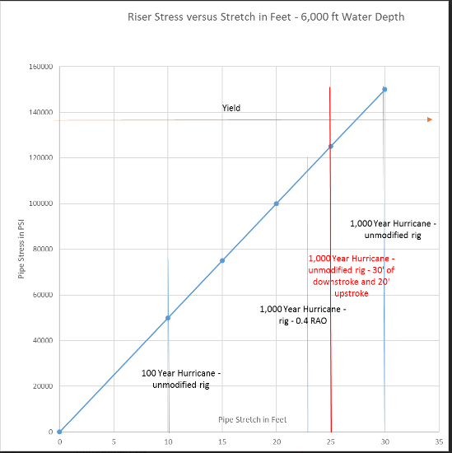
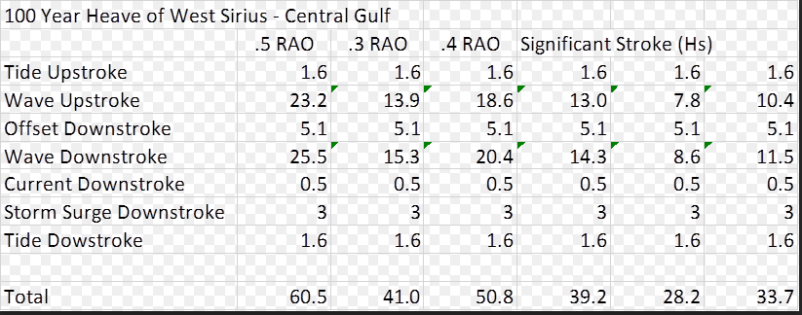

100 Year Heave (ft) of West Sirius- Central Gulf
 | .5 Heave RAO | .4 Heave RAO | .3 Heave RAO | For Riser Analysis
Tide Stroke | 1.6 | 1.6 | 1900-01-01 14:24:00 | Upstroke | 23.2 | ft | 1900-01-07 01:26:10 | m
Wave Upstroke | 23.2 | 18.5 | 13.9 | Downstroke | 31.2 | ft | 1900-01-09 12:13:19 | m
Offset DownStroke | 5.1 | 1900-01-05 02:24:00 | 1900-01-05 02:24:00
Wave DownStroke | 25.5 | 20.4 | 15.3
Current Downstroke | 0.5 | 0.5 | 0.5
Storm Surge Downstroke | 3.0 | 1900-01-03 | 1900-01-03
Tide DownStroke | 1.6 | 1900-01-01 14:24:00 | 1900-01-01 14:24:00

Total | 60.6 | 50.8 | 41.0

1000 year Heave (ft) of West Sirius - Central Gulf
 | .5 Heave RAO | .4 Heave RAO | .3 Heave RAO
Tide Stroke | 1.6 | 1.6 | 1900-01-01 14:24:00
Wave Upstroke | 37.2 | 29.8 | 22.3
Offset DownStroke | 11.4 | 1900-01-05 02:24:00 | 1900-01-05 02:24:00
Wave DownStroke | 37.4 | 30.0 | 22.5
Current Downstroke | 0.5 | 0.5 | 0.5
Storm Surge Downstroke | 3.0 | 1900-01-03 | 1900-01-03
Tide DownStroke | 1.6 | 1900-01-01 14:24:00 | 1900-01-01 14:24:00

Total | 92.8 | 71.6 | 56.6

Stroke-Stretch
Tensioner Stroke and Riser Slack 14.75" X 11.75" Riser, Elastic & Elastic-Plastic Materials
 | Tensioner Stroke | Riser Slack | Vessel Heave
0 | 0.00 |  | 0.00
0.1 | -0.04 |  | 0.00
0.2 | -0.08 |  | 0.00
0.3 | -0.11 |  | 0.00
0.4 | -0.15 |  | 0.00
0.5 | -0.17 |  | 0.00
0.6 | -0.20 |  | 0.00
0.7 | -0.22 |  | 0.00
0.8 | -0.24 |  | 0.00
0.9 | -0.26 |  | 0.00
1 | -0.27 |  | 0.00
1.1 | -0.29 |  | 0.00
1.2 | -0.29 |  | 0.00
1.3 | -0.30 |  | 0.00
1.4 | -0.30 |  | 0.00
1.5 | -0.30 |  | 0.00
1.6 | -0.30 |  | 0.00
1.7 | -0.30 |  | 0.00
1.8 | -0.29 |  | 0.00
1.9 | -0.29 |  | 0.00
2 | -0.28 |  | 0.00
2.1 | -0.26 |  | 0.00
2.2 | -0.25 |  | 0.00
2.3 | -0.24 |  | 0.00
2.4 | -0.22 |  | 0.00
2.5 | -0.21 |  | 0.00
2.6 | -0.19 |  | 0.00
2.7 | -0.18 |  | 0.00
2.8 | -0.16 |  | 0.00
2.9 | -0.15 |  | 0.00
3 | -0.14 |  | 0.00
3.1 | -0.12 |  | 0.00
3.2 | -0.11 |  | 0.00
3.3 | -0.11 |  | 0.00
3.4 | -0.10 |  | 0.00
3.5 | -0.10 |  | 0.00
3.6 | -0.10 |  | 0.00
3.7 | -0.10 |  | 0.00
3.8 | -0.10 |  | 0.00
3.9 | -0.11 |  | 0.00
4 | -0.12 |  | 0.00
4.1 | -0.14 |  | 0.00
4.2 | -0.15 |  | 0.00
4.3 | -0.17 |  | 0.00
4.4 | -0.20 |  | 0.00
4.5 | -0.22 |  | 0.00
4.6 | -0.25 |  | 0.00
4.7 | -0.28 |  | 0.00
4.8 | -0.31 |  | 0.00
4.9 | -0.34 |  | 0.00
...

Tension-Stress
Stress Response of Riser 14.75" X 11.75" Riser, Elastic & Elastic-Plastic Materials
 | Stress (Elastic) | Stress (Elastic-Plastic) | Tension (at Bottom) | Tension (at Top)
0 | 25.9 | 25.9 | 273.4 | 569.1
0.1 | 25.9 | 25.9 | 273.1 | 568.8
0.2 | 25.9 | 25.9 | 272.8 | 568.6
0.3 | 25.9 | 25.9 | 272.6 | 568.4
0.4 | 25.9 | 25.9 | 272.4 | 568.2
0.5 | 25.9 | 25.9 | 272.2 | 568.0
0.6 | 25.9 | 25.9 | 272.0 | 567.8
0.7 | 25.9 | 25.9 | 271.9 | 567.7
0.8 | 25.9 | 25.9 | 271.7 | 567.6
0.9 | 25.9 | 25.9 | 271.6 | 567.5
1 | 25.9 | 25.9 | 271.6 | 567.4
1.1 | 25.9 | 25.9 | 271.5 | 567.3
1.2 | 25.9 | 25.9 | 271.5 | 567.3
1.3 | 25.9 | 25.9 | 271.6 | 567.3
1.4 | 25.9 | 25.9 | 271.6 | 567.2
1.5 | 26.0 | 26.0 | 271.6 | 567.2
1.6 | 26.0 | 26.0 | 271.7 | 567.1
1.7 | 26.0 | 26.0 | 271.7 | 567.1
1.8 | 26.0 | 26.0 | 271.8 | 567.0
1.9 | 26.0 | 26.0 | 271.8 | 566.9
2 | 26.0 | 26.0 | 271.8 | 566.8
2.1 | 26.0 | 26.0 | 271.7 | 566.7
2.2 | 26.0 | 26.0 | 271.6 | 566.5
2.3 | 26.0 | 26.0 | 271.4 | 566.3
2.4 | 26.0 | 26.0 | 271.2 | 566.1
2.5 | 26.0 | 26.0 | 270.9 | 565.9
2.6 | 26.0 | 26.0 | 270.6 | 565.6
2.7 | 26.0 | 26.0 | 270.2 | 565.3
2.8 | 26.0 | 26.0 | 269.8 | 565.1
2.9 | 26.0 | 26.0 | 269.4 | 564.8
3 | 26.0 | 26.0 | 269.0 | 564.5
3.1 | 26.0 | 26.0 | 268.6 | 564.2
3.2 | 26.0 | 26.0 | 268.1 | 563.9
3.3 | 25.9 | 25.9 | 267.8 | 563.6
3.4 | 25.9 | 25.9 | 267.4 | 563.4
3.5 | 25.9 | 25.9 | 267.1 | 563.1
3.6 | 25.9 | 25.9 | 266.9 | 562.9
3.7 | 25.9 | 25.9 | 266.7 | 562.8
3.8 | 25.9 | 25.9 | 266.6 | 562.6
3.9 | 25.9 | 25.9 | 266.5 | 562.5
4 | 25.9 | 25.9 | 266.5 | 562.4
4.1 | 25.9 | 25.9 | 266.5 | 562.4
4.2 | 25.9 | 25.9 | 266.5 | 562.3
4.3 | 25.9 | 25.9 | 266.6 | 562.3
4.4 | 25.9 | 25.9 | 266.7 | 562.3
4.5 | 26.0 | 26.0 | 266.8 | 562.3
4.6 | 26.0 | 26.0 | 266.9 | 562.4
4.7 | 26.0 | 26.0 | 267.1 | 562.4
4.8 | 26.0 | 26.0 | 267.2 | 562.5
4.9 | 26.0 | 26.0 | 267.3 | 562.5
...

Tension-Strain
Strain Response of Riser 14.75" X 11.75" Riser, Elastic & Elastic-Plastic Materials
 | Strain (Elastic) |  | Strain (Elastic-Plastic) |  | Tension (at Bottom) |  | Tension (at Top)
0 | 0.08 | 0 | 0.080309090802 | 0 | 273.4 | 0
0.1 | 0.08 | 0.1 | 0.080296826541 | 0.1 | 273.1 | 0.1
0.2 | 0.08 | 0.2 | 0.080286655019 | 0.2 | 272.8 | 0.2
0.3 | 0.08 | 0.3 | 0.080278850112 | 0.3 | 272.6 | 0.3
0.4 | 0.08 | 0.4 | 0.080273672556 | 0.4 | 272.4 | 0.4
0.5 | 0.08 | 0.5 | 0.080271370238 | 0.5 | 272.2 | 0.5
0.6 | 0.08 | 0.6 | 0.080272174164 | 0.6 | 272.0 | 0.6
0.7 | 0.08 | 0.7 | 0.080276310365 | 0.7 | 271.9 | 0.7
0.8 | 0.08 | 0.8 | 0.080284013328 | 0.8 | 271.7 | 0.8
0.9 | 0.08 | 0.9 | 0.080295530027 | 0.9 | 271.6 | 0.9
1 | 0.08 | 1 | 0.080311067405 | 1 | 271.6 | 1
1.1 | 0.08 | 1.1 | 0.080330722812 | 1.1 | 271.5 | 1.1
1.2 | 0.08 | 1.2 | 0.080354407258 | 1.2 | 271.5 | 1.2
1.3 | 0.08 | 1.3 | 0.08038180955 | 1.3 | 271.6 | 1.3
1.4 | 0.08 | 1.4 | 0.08041238892 | 1.4 | 271.6 | 1.4
1.5 | 0.08 | 1.5 | 0.080445392213 | 1.5 | 271.6 | 1.5
1.6 | 0.08 | 1.6 | 0.080479869372 | 1.6 | 271.7 | 1.6
1.7 | 0.08 | 1.7 | 0.0805147026 | 1.7 | 271.7 | 1.7
1.8 | 0.08 | 1.8 | 0.080548646563 | 1.8 | 271.8 | 1.8
1.9 | 0.08 | 1.9 | 0.080580372184 | 1.9 | 271.8 | 1.9
2 | 0.08 | 2 | 0.080608520515 | 2 | 271.8 | 2
2.1 | 0.08 | 2.1 | 0.080631775467 | 2.1 | 271.7 | 2.1
2.2 | 0.08 | 2.2 | 0.080648952527 | 2.2 | 271.6 | 2.2
2.3 | 0.08 | 2.3 | 0.08065909422 | 2.3 | 271.4 | 2.3
2.4 | 0.08 | 2.4 | 0.080661550748 | 2.4 | 271.2 | 2.4
2.5 | 0.08 | 2.5 | 0.080656051457 | 2.5 | 270.9 | 2.5
2.6 | 0.08 | 2.6 | 0.08064275424 | 2.6 | 270.6 | 2.6
2.7 | 0.08 | 2.7 | 0.080622250444 | 2.7 | 270.2 | 2.7
2.8 | 0.08 | 2.8 | 0.0805955123 | 2.8 | 269.8 | 2.8
2.9 | 0.08 | 2.9 | 0.080563800265 | 2.9 | 269.4 | 2.9
3 | 0.08 | 3 | 0.080528589872 | 3 | 269.0 | 3
3.1 | 0.08 | 3.1 | 0.080491524052 | 3.1 | 268.6 | 3.1
3.2 | 0.08 | 3.2 | 0.080454375642 | 3.2 | 268.1 | 3.2
3.3 | 0.08 | 3.3 | 0.080418938582 | 3.3 | 267.8 | 3.3
3.4 | 0.08 | 3.4 | 0.080386920528 | 3.4 | 267.4 | 3.4
3.5 | 0.08 | 3.5 | 0.080359826293 | 3.5 | 267.1 | 3.5
3.6 | 0.08 | 3.6 | 0.080338872828 | 3.6 | 266.9 | 3.6
3.7 | 0.08 | 3.7 | 0.080324927381 | 3.7 | 266.7 | 3.7
3.8 | 0.08 | 3.8 | 0.080318475479 | 3.8 | 266.6 | 3.8
3.9 | 0.08 | 3.9 | 0.080319626765 | 3.9 | 266.5 | 3.9
4 | 0.08 | 4 | 0.080328156422 | 4 | 266.5 | 4
4.1 | 0.08 | 4.1 | 0.08034354061 | 4.1 | 266.5 | 4.1
4.2 | 0.08 | 4.2 | 0.080365011058 | 4.2 | 266.5 | 4.2
4.3 | 0.08 | 4.3 | 0.080391595438 | 4.3 | 266.6 | 4.3
4.4 | 0.08 | 4.4 | 0.080422159465 | 4.4 | 266.7 | 4.4
4.5 | 0.08 | 4.5 | 0.080455481067 | 4.5 | 266.8 | 4.5
4.6 | 0.08 | 4.6 | 0.080490332644 | 4.6 | 266.9 | 4.6
4.7 | 0.08 | 4.7 | 0.080525567358 | 4.7 | 267.1 | 4.7
4.8 | 0.08 | 4.8 | 0.080560189713 | 4.8 | 267.2 | 4.8
4.9 | 0.08 | 4.9 | 0.080593377731 | 4.9 | 267.3 | 4.9
...

ET_Chart
Production Riser, Effective Tension vs ArcLength

VM_Chart
Production Riser, VM Stress vs ArcLength

